Subset
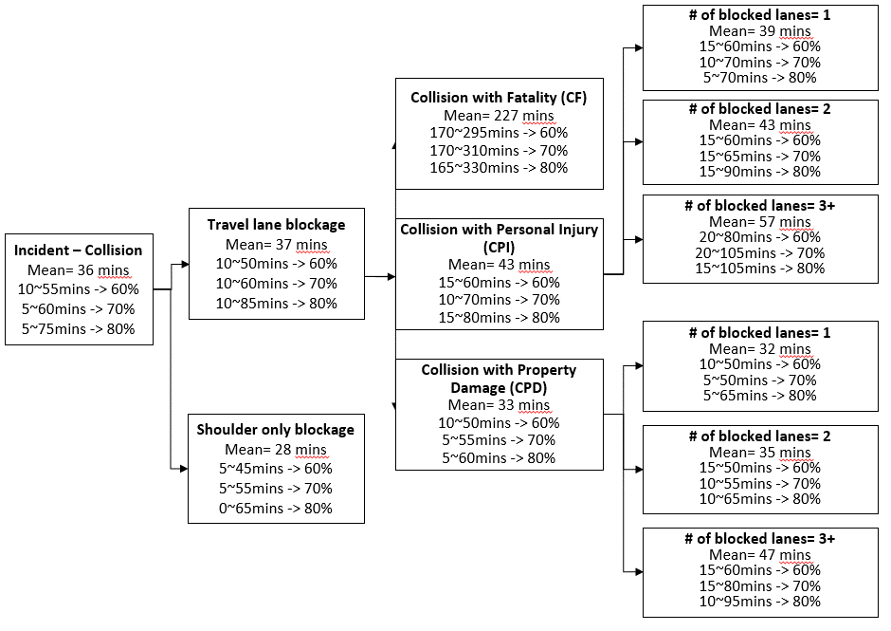

CPI-1
CPI-1 Lane-1
60% | 10-30
70% | 5-30
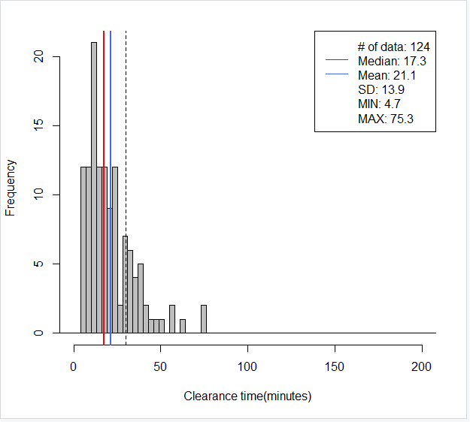
80% | 5-40
695// mean=21, median=17, SD=14, x=[5, 75], [-30, 30)-> 78%(97/124)
> round(quantile(mytree$CT, c(0.05, 0.10, 0.15, 0.20, 0.80, 0.85, 0.90, 0.95)), digits=1)
5% 10% 15% 20% 80% 85% 90% 95%
5.6 7.6 9.1 10.7 30.6 34.3 38.6 47.8
> round(quantile(mytree$CT, c(0.00, 0.05, 0.10, 0.15, 0.75, 0.80, 0.85, 0.90)), digits=1)
0% 5% 10% 15% 75% 80% 85% 90%
4.7 5.6 7.6 9.1 28.6 30.6 34.3 38.6
> round(quantile(mytree$CT, c(0.00, 0.05, 0.10, 0.18, 0.78, 0.80, 0.85, 0.90)), digits=1)
0% 5% 10% 18% 78% 80% 85% 90%
4.7 5.6 7.6 9.6 29.9 30.6 34.3 38.6
> round(quantile(mytree$CT, c(0.00, 0.05, 0.10, 0.19, 0.79, 0.80, 0.85, 0.90)), digits=1)
0% 5% 10% 19% 79% 80% 85% 90%
4.7 5.6 7.6 10.1 30.0 30.6 34.3 38.6
> round(quantile(mytree$CT, c(0.00, 0.09, 0.10, 0.19, 0.79, 0.80, 0.85, 0.90)), digits=1)
0% 9% 10% 19% 79% 80% 85% 90%
4.7 6.9 7.6 10.1 30.0 30.6 34.3 38.6
> round(quantile(mytree$CT, c(0.04, 0.09, 0.14, 0.19, 0.79, 0.84, 0.89, 0.94)), digits=1)
4% 9% 14% 19% 79% 84% 89% 94%
5.2 6.9 8.9 10.1 30.0 33.8 37.9 43.4

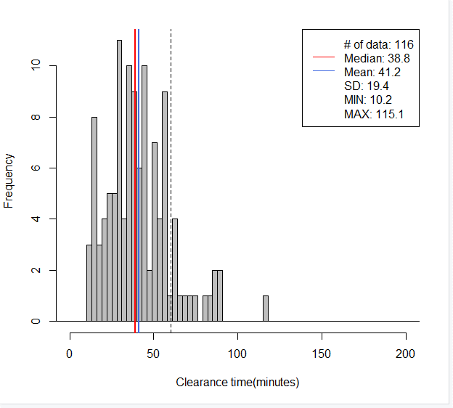
CPI-1 Lane-2
60% | 25-60
70% | 20-60
80% | 15-65
695// mean=41, median=39, SD=19, x=[10, 115], [-60, 60)-> 86%(100/116)
> round(quantile(mytree$CT, c(.05, .10, .15, .2, .8 ,.85,.90, 0.95)), digits=1)
5% 10% 15% 20% 80% 85% 90% 95%
14.8 16.1 21.8 25.1 55.1 57.4 62.8 82.2

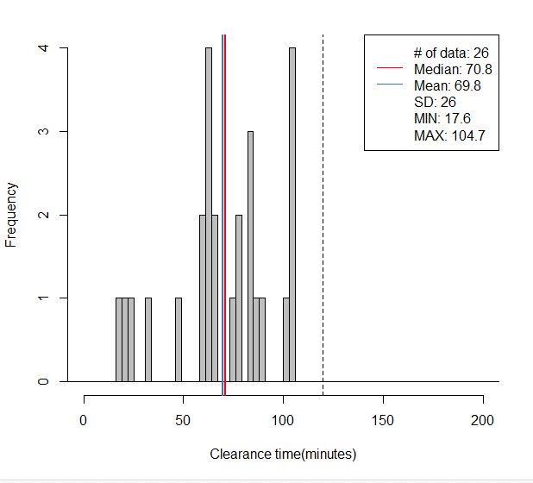
CPI-1 Lane-3
60% | 60-90
70% | 40-105
80% | 25-105
695// mean=70, median=71, SD=26, x=[18, 105], [-120, 120)-> 100%(26/26)
> round(quantile(mytree$CT, c(.05, .10, .15, .2, .8 ,.85,.90, 0.95)), digits=1)
5% 10% 15% 20% 80% 85% 90% 95%
20.1 26.9 43.7 60.8 89.4 101.3 104.1 104.4

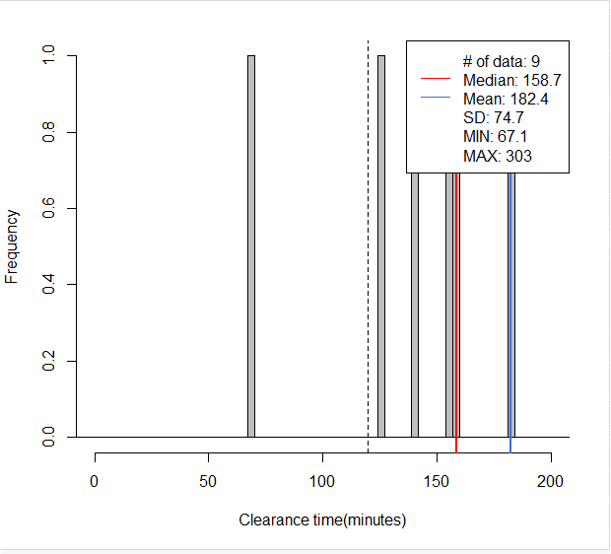
CPI-1 Lane-4
85% | >120
100% | >90

695// mean=182, median=159, SD=75, x=[67, 303], [120, 1200)-> 89%(8/9)
> round(quantile(mytree$CT, c(.05, .10, .15, .2, .8 ,.85,.90, 0.95)), digits=1)
5% 10% 15% 20% 80% 85% 90% 95%
90.3 113.4 128.2 134.6 252.9 259.1 270.3 286.7

CPI-2
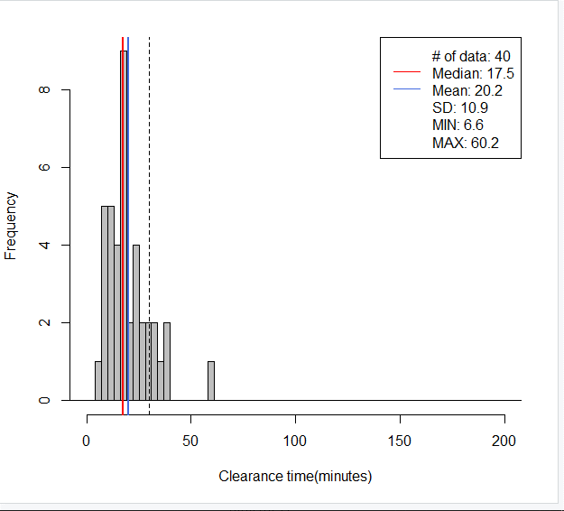
CPI-2 Lane-1
60% | 10-30
70% | 5-30
80% | 5-35
695// mean=20, median=18, SD=11, x=[7, 60], [-30, 30)-> 82%(33/40)
> round(quantile(mytree$CT, c(0.05, 0.10, 0.15, 0.20, 0.80, 0.85, 0.90, 0.95)), digits=1)
5% 10% 15% 20% 80% 85% 90% 95%
8.1 8.6 10.4 12.1 27.5 31.1 34.1 37.4

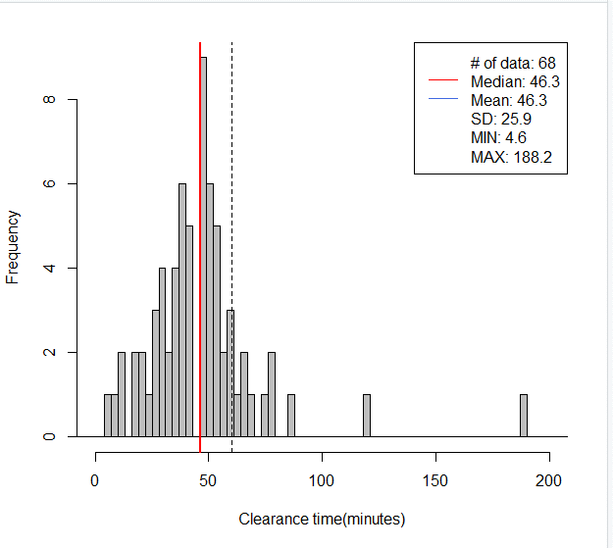
CPI-2 Lane-2
60% | 25-60
70% | 20-60
80% | 20-70
695// mean=46, median=46, SD=26, x=[5, 188], [-60, 60)-> 85%(58/68)
> round(quantile(mytree$CT, c(.05, .10, .15, .2, .8 ,.85,.90, 0.95)), digits=1)
5% 10% 15% 20% 80% 85% 90% 95%
13.3 21.5 27.6 28.5 57.6 59.6 66.5 77.4

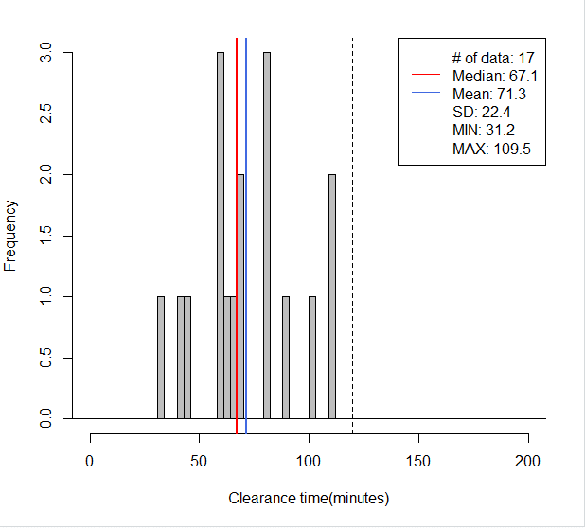
CPI-2 Lane-3
60% | 55-90
70% | 55-105
80% | 50-110
695// mean=71, median=67, SD=22, x=[31, 110], [-120, 120)-> 100%(17/17)
> round(quantile(mytree$CT, c(.05, .10, .15, .2, .8 ,.85,.90, 0.95)), digits=1)
5% 10% 15% 20% 80% 85% 90% 95%
40.4 43.9 50.4 59.3 88.1 96.5 104.3 109.1

CPI-2 Lane-4
100% | >120
695// mean=292, median=292, SD=NA, x=[292, 292], [120, 1200)-> 100%(1/1)
> round(quantile(mytree$CT, c(.05, .10, .15, .2, .8 ,.85,.90, 0.95)), digits=1)
5% 10% 15% 20% 80% 85% 90% 95%
291.7 291.7 291.7 291.7 291.7 291.7 291.7 291.7

CPI-3
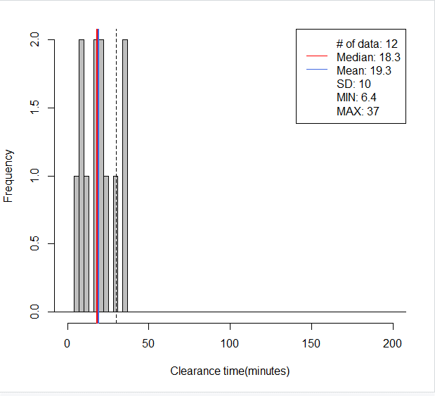
CPI-3 Lane-1
60% | 5-25
70% | 5-30
80% | 5-35
695// mean=19, median=18, SD=10, x=[6, 37], [-30, 30)-> 83%(10/12)
> round(quantile(mytree$CT, c(0.05, 0.10, 0.15, 0.20, 0.80, 0.85, 0.90, 0.95)), digits=1)
5% 10% 15% 20% 80% 85% 90% 95%
7.8 8.9 8.9 9.5 27.5 30.8 34.0 35.7
> round(quantile(mytree$CT, c(0.00, 0.05, 0.10, 0.15, 0.75, 0.80, 0.85, 0.90)), digits=1)
0% 5% 10% 15% 75% 80% 85% 90%
6.4 7.8 8.9 8.9 24.0 27.5 30.8 34.0

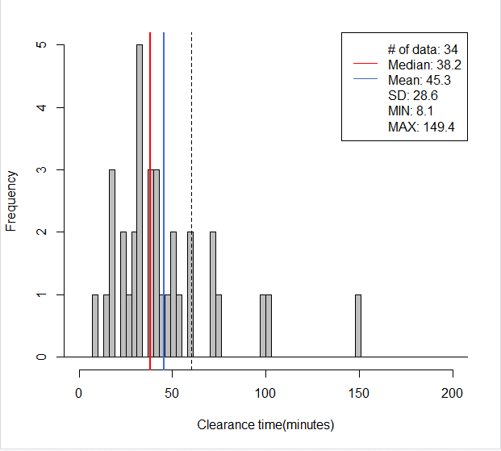
CPI-3 Lane-2
60% | 25-60
70% | 20-75
80% | 15-75
695// mean=45, median=38, SD=29, x=[8, 149], [-60, 60)-> 82%(28/34)
> round(quantile(mytree$CT, c(.05, .10, .15, .2, .8 ,.85,.90, 0.95)), digits=1)
5% 10% 15% 20% 80% 85% 90% 95%
16.5 17.6 22.0 25.5 58.0 71.2 74.1 100.0

CPI-3 Lane-3
60% | 60-100
70% | 60-105
80% | 55-110
695// mean=78, median=76, SD=19, x=[50, 109], [-120, 120)-> 100%(12/12)
> round(quantile(mytree$CT, c(.05, .10, .15, .2, .8 ,.85,.90, 0.95)), digits=1)
5% 10% 15% 20% 80% 85% 90% 95%
50.3 51.3 56.7 62.7 97.4 99.8 102.3 105.4

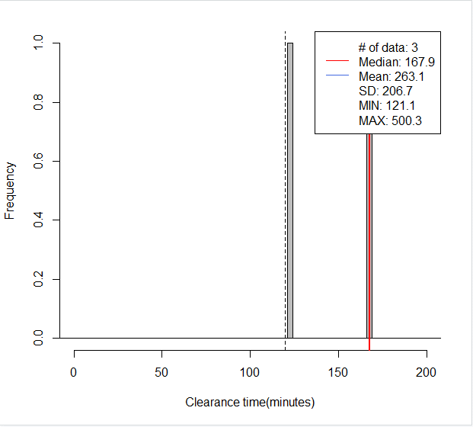
CPI-3 Lane-4
100% | >120
695// mean=263, median=168, SD=207, x=[121, 500], [120, 1200)-> 100%(3/3)
> round(quantile(mytree$CT, c(.05, .10, .15, .2, .8 ,.85,.90, 0.95)), digits=1)
5% 10% 15% 20% 80% 85% 90% 95%
125.8 130.5 135.1 139.8 367.3 400.6 433.8 467.0

CPD-1
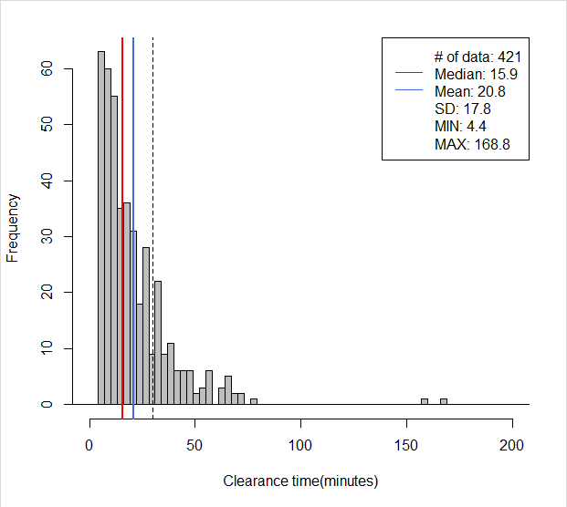
CPD-1 Lane-1
60% | 5-30
70% | 5-35
80% | 5-40
695// mean=21, median=16, SD=18, x=[4, 169], [-30, 30)-> 79%(331/421)
> round(quantile(mytree$CT, c(0.00, 0.05, 0.10, 0.15, 0.75, 0.80, 0.85, 0.90)), digits=1)
0% 5% 10% 15% 75% 80% 85% 90%
4.4 5.4 6.3 7.0 26.6 31.1 34.3 41.7

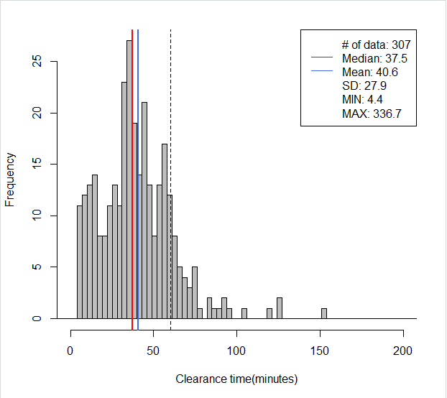
CPD-1 Lane-2
60% | 20-60
70% | 15-65
80% | 10-70
695// mean=41, median=37, SD=28, x=[4, 337], [-60, 60)-> 86%(265/307)
> round(quantile(mytree$CT, c(.05, .10, .15, .2, .8 ,.85,.90, 0.95)), digits=1)
5% 10% 15% 20% 80% 85% 90% 95%
8.0 12.0 15.4 20.5 55.9 58.8 64.0 75.1
> round(quantile(mytree$CT, c(.07, .12, .17, .22, .82 ,.87,.92, 0.97)), digits=1)
7% 12% 17% 22% 82% 87% 92% 97%
9.7 13.3 17.3 22.6 57.0 60.8 68.0 89.7

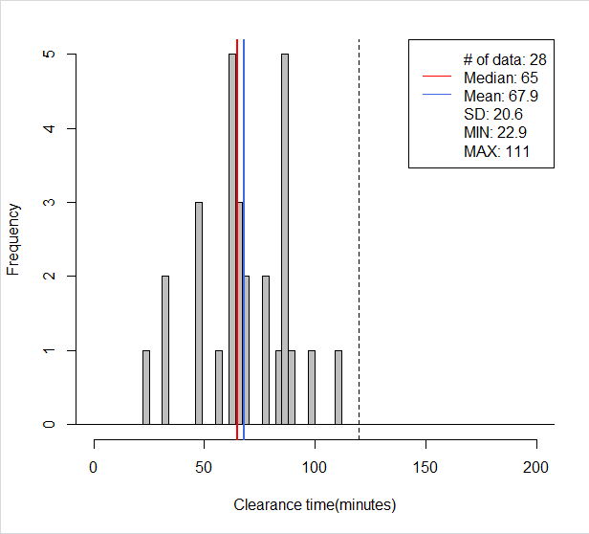
CPD-1 Lane-3
60% | 55-90
70% | 55-100
80% | 50-115
695// mean=68, median=65, SD=21, x=[23, 111], [-120, 120)-> 100%(28/28)
> round(quantile(mytree$CT, c(.05, .10, .15, .2, .8 ,.85,.90, 0.95)), digits=1)
5% 10% 15% 20% 80% 85% 90% 95%
33.2 42.5 46.5 51.0 86.0 86.7 88.2 95.3
> round(quantile(mytree$CT, c(.1, .15, .20, .25, .85 ,.90,.95,1)), digits=1)
10% 15% 20% 25% 85% 90% 95% 100%
42.5 46.5 51.0 59.7 86.7 88.2 95.3 111.0

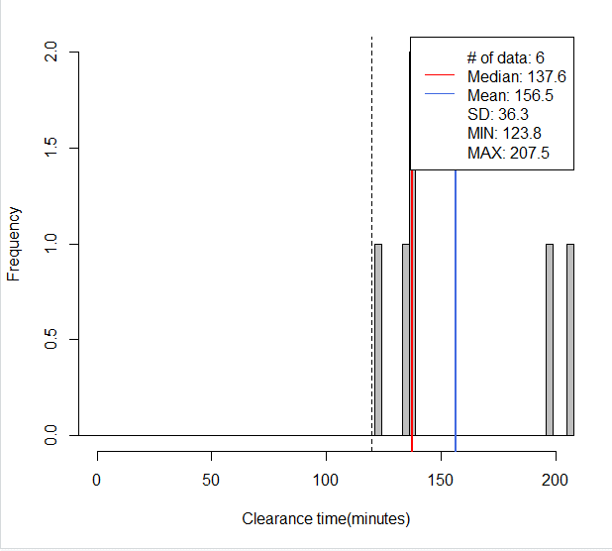
CPD-1 Lane-4
100% | >120
695// mean=156, median=138, SD=36, x=[124, 207], [120, 1200)-> 100%(6/6)
> round(quantile(mytree$CT, c(.05, .10, .15, .2, .8 ,.85,.90, 0.95)), digits=1)
5% 10% 15% 20% 80% 85% 90% 95%
126.4 129.0 131.6 134.2 198.1 200.4 202.8 205.1

CPD-2
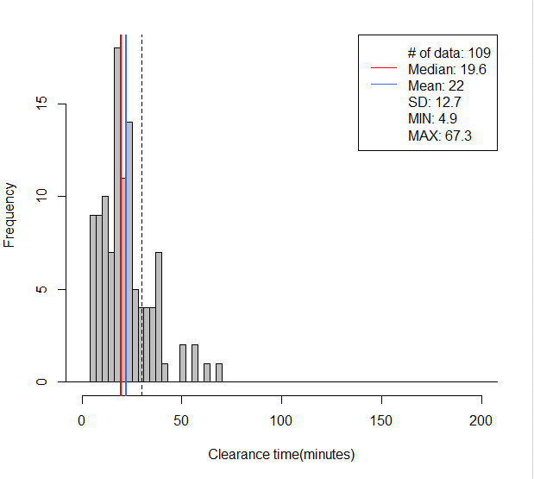
CPD-2 Lane-1
60% | 5-30
70% | 5-35
80% | 5-40
695// mean=22, median=20, SD=13, x=[5, 67], [-30, 30)-> 79%(86/109)
> round(quantile(mytree$CT, c(0.00, 0.05, 0.10, 0.15, 0.75, 0.80, 0.85, 0.90)), digits=1)
0% 5% 10% 15% 75% 80% 85% 90%
4.9 6.2 7.6 9.7 27.7 31.1 34.4 37.7
> round(quantile(mytree$CT, c(0.05, 0.10, 0.15, 0.20, 0.80, 0.85, 0.90, 0.95)), digits=1)
5% 10% 15% 20% 80% 85% 90% 95%
6.2 7.6 9.7 11.7 31.1 34.4 37.7 47.0

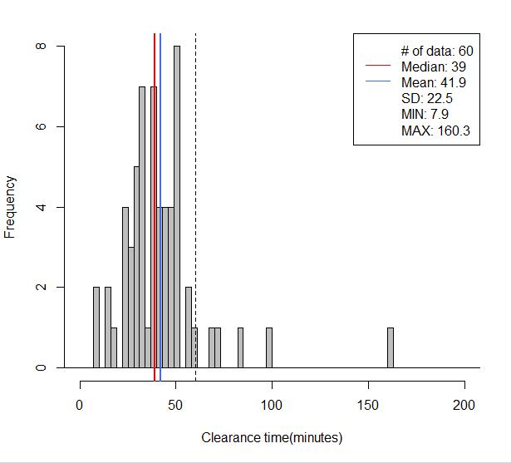
CPD-2 Lane-2
60% | 25-50
70% | 20-55
80% | 20-70
695// mean=42, median=39, SD=23, x=[8, 160], [-60, 60)-> 92%(55/60)
> round(quantile(mytree$CT, c(.07, .12, .17, .22, .82 ,.87,.92, 0.97)), digits=1)
7% 12% 17% 22% 82% 87% 92% 97%
18.7 23.6 26.4 28.8 51.4 53.2 61.5 87.5
> round(quantile(mytree$CT, c(0.05, 0.10, 0.15, 0.20, 0.80, 0.85, 0.90, 0.95)), digits=1)
5% 10% 15% 20% 80% 85% 90% 95%
15.4 23.3 25.4 28.3 50.7 51.9 57.5 72.7
> round(quantile(mytree$CT, c(0.03, 0.07, 0.13, 0.17, 0.77, 0.83, 0.87, 0.93)), digits=1)
3% 7% 13% 17% 77% 83% 87% 93%
12.6 18.7 23.7 26.4 50.0 51.7 53.2 67.7

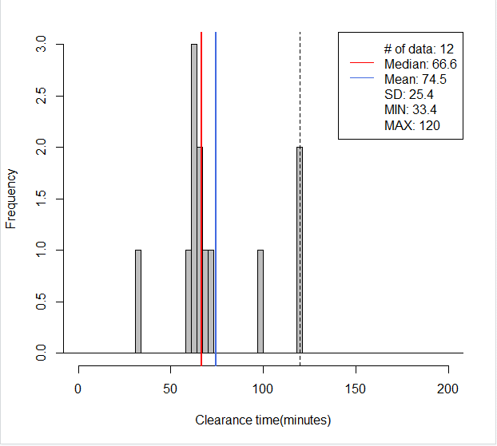
CPD-2 Lane-3
60% | 60-95
70% | 60-110
80% | 60-120
695// mean=75, median=67, SD=25, x=[33, 120], [-120, 120)-> 83%(10/12)
> round(quantile(mytree$CT, c(.05, .10, .15, .2, .8 ,.85,.90, 0.95)), digits=1)
5% 10% 15% 20% 80% 85% 90% 95%
48.2 60.4 61.6 62.5 92.2 105.1 117.7 120.0

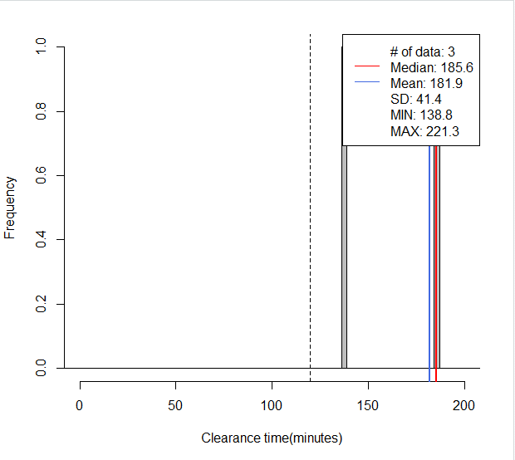
CPD-2 Lane-4
100% | >120
695// mean=182, median=186, SD=41, x=[139, 221], [120, 1200)-> 100%(3/3)
> round(quantile(mytree$CT, c(.05, .10, .15, .2, .8 ,.85,.90, 0.95)), digits=1)
5% 10% 15% 20% 80% 85% 90% 95%
143.4 148.1 152.8 157.5 207.0 210.6 214.1 217.7

CPD-3
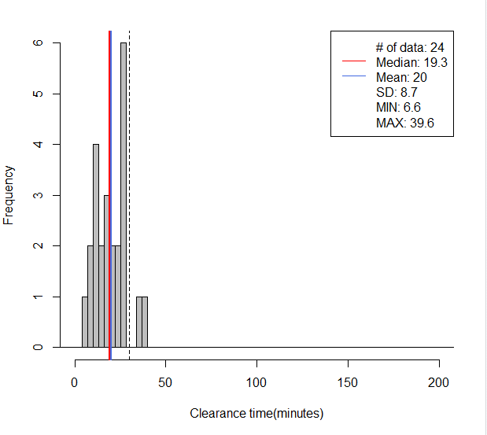
CPD-3 Lane-1
60% | 10-30
70% | 10-30
80% | 10-30
695// mean=20, median=19, SD=9, x=[7, 40], [-30, 30)-> 92%(22/24)
> round(quantile(mytree$CT, c(0.05, 0.10, 0.15, 0.20, 0.80, 0.85, 0.90, 0.95)), digits=1)
5% 10% 15% 20% 80% 85% 90% 95%
9.1 9.9 11.0 11.9 26.9 27.2 27.3 35.1

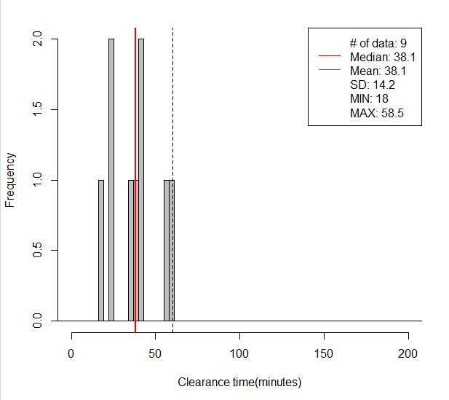
CPD-3 Lane-2
60% | 20-50
70% | 20-55
80% | 20-60
695// mean=38, median=38, SD=14, x=[18, 58], [-60, 60)-> 100%(9/9)
> round(quantile(mytree$CT, c(0.05, 0.10, 0.15, 0.20, 0.80, 0.85, 0.90, 0.95)), digits=1)
5% 10% 15% 20% 80% 85% 90% 95%
20.5 22.9 24.2 24.4 48.5 54.3 57.5 58.0

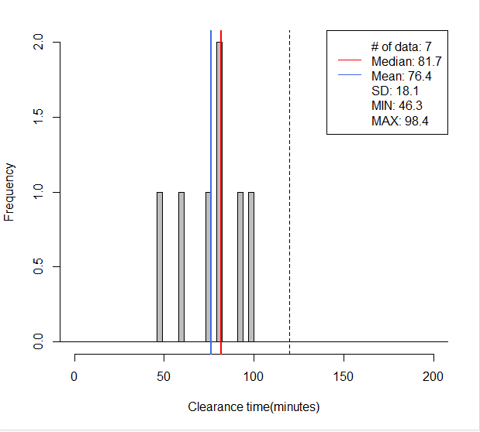
CPD-3 Lane-3
60% | 60-90
70% | 60-95
80% | 55-100
695// mean=76, median=82, SD=18, x=[46, 98], [-120, 120)-> 100%(7/7)
> round(quantile(mytree$CT, c(.05, .10, .15, .2, .8 ,.85,.90, 0.95)), digits=1)
5% 10% 15% 20% 80% 85% 90% 95%
50.5 54.7 58.9 63.0 90.3 93.0 94.8 96.6

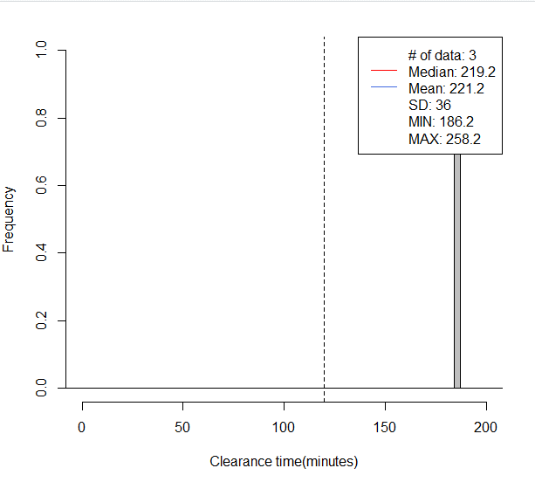
CPD-4 Lane-4
100% | >120
695// mean=221, median=219, SD=36, x=[186, 258], [120, 1200)-> 100%(3/3)
> round(quantile(mytree$CT, c(.05, .10, .15, .2, .8 ,.85,.90, 0.95)), digits=1)
5% 10% 15% 20% 80% 85% 90% 95%
189.5 192.8 196.1 199.4 242.6 246.5 250.4 254.3

